Q-2
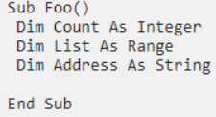
Q-2 What are variables and how do you declare them in VBA? What happens if you don’t declare a variable?
∆ Variables can be declared as one of the following data types: Boolean, Byte, Integer, Long, Currency, Single, Double, Date, String (for variable-length strings), String * length (for fixed-length
strings), Object, or Variant

∆ To declare a variable, type Dim, the variable name, and the variable type.

∆ If we don’t specify the type of variable, as shown in the first example at the top of this post, VBA declares the variable as a Variant type. A Variant can accept any type of variable.

Q-5
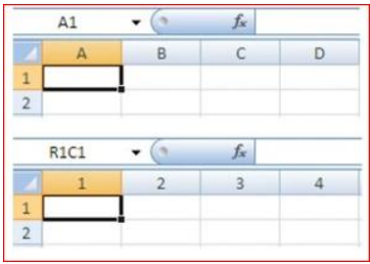
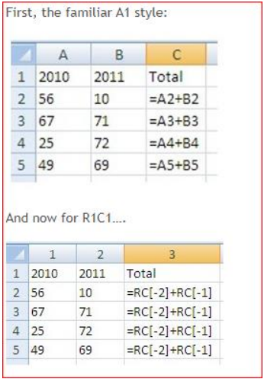
Q-5 What is the difference between A1 reference style and R1C1 Reference style? What are the advantages and disadvantages of using R1C1 reference style?
∆ In the A1 reference style, you have the column name as an alphabet and the row name as a number and when you select the A1 cell that means you are in column A and row 1.

∆ In the R1C1 style, Excel indicates the location of a cell with an "R" followed by a row number and a "C" followed by a column number.

∆ Whereas using R1C1, they are all identical. So, this potentially means that wherever write a formula in that column it will be the same, no need to think about which row or column is in.
This is particularly helpful when writing VBA code.

Q-6
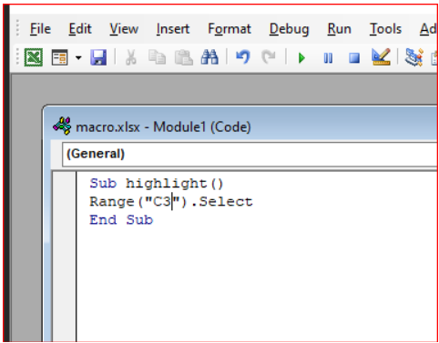
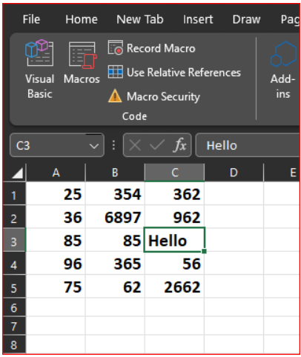
Q-6 When is offset statement used for in VBA? Let’s suppose your current highlight cell is A1 in the below table. Using OFFSET statement, write a VBA code to highlight the cell with “Hello” written in it.
 | A | B | C
 | 1 | 25 | 354 | 362
 | 2 | 36 | 6897 | 962
 | 3 | 85 | 85 | Hello
 | 4 | 96 | 365 | 56
 | 5 | 75 | 62 | 2662
∆ VBA Offset function one may use to move or refer to a reference skipping a particular number of rows and columns. The arguments for this function in VBA are the same as those in the worksheet.

